Introduction
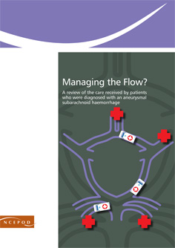

Subarachnoid Haemorrhage: Managing the flow - secondary/acute care
Audit Toolkit

Thank you for downloading the toolkit for 'Subarachnoid Haemorrhage: Managing the Flow (tertiary care)'. We hope you find this useful and if you have any feedback please do contact us at info@ncepod.org.uk (see below for link). Please can you advise your local audit department if you plan to undertake this audit, it is important that they are made aware of it for the benefit of demonstrating Trust activity and also so that they are in a position to support you and endorse the activity for your benefit.

info@ncepod.org.uk

Please complete as many questions which are applicable to the care of the patient

For information on the recommendation to which each question assesses please click on the button

This toolkit can be used in conjunction with the Self Assessment Checklist. This can be found by clicking on the report image or at:
http://www.ncepod.org.uk/2013sah.htm

Summary
RADAR CHART

 | Recommendation - Sub criteria question number (reference only) |  |  | Recommendation - Sub criteria questions (score)
 | 2 | 4 | 5 | 2 | 4 | 5
 | 12a | 18 | 28c | No data | No data | No data
 | 12b | 20 |  | No data | No data
 | 13 | 22. i |  | No data | No data
 |  | 22. ii |  |  | No data
 |  | 22. iii |  |  | No data
 |  | 22. iv |  |  | No data
 |  | 22. v |  |  | No data
 |  | 22. vi |  |  | No data
 |  | 22. vii |  |  | No data
 |  | 22. viii |  |  | No data
 |  | 24 |  |  | No data
 |  | 25 |  |  | No data

 | Average % of recommendation |  |  | RAG system (NCEPOD recommends these are set at the following limits, however these can be adapted by your Trust where appropriate by amending the thresholds as required) | %
 | No data | No data | No data

 |  |  |  | Green | 100
 |  |  |  | Amber | 50

